Neighborhood
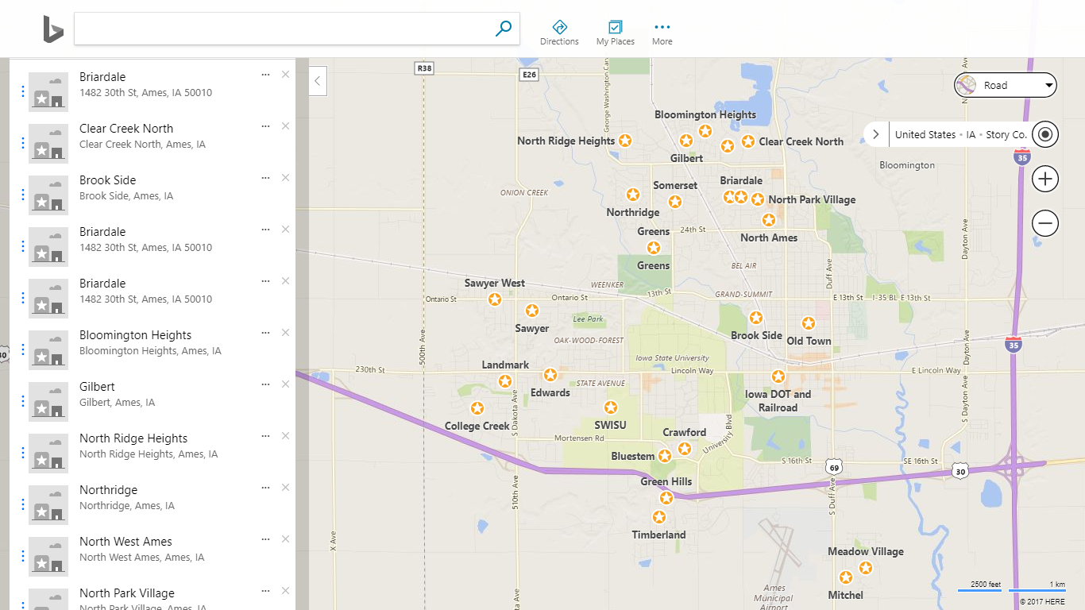
New Coding | Neighborhood | Frequency | Percent | Valid Percent | New Percentage | Neighborhoods recoded by physical proximity
College Creek | CollgCr | 150 | 10.3 | 10.3
College Creek | Edwards | 100 | 6.8 | 6.8 | 17.1
Crawford | Blueste | 2 | 0.1 | 0.1
Crawford | Crawfor | 51 | 3.5 | 3.5
Crawford | SWISU | 25 | 1.7 | 1.7
Crawford | Timber | 38 | 2.6 | 2.6 | 7.9
Gilbert | Blmngtn | 17 | 1.2 | 1.2
Gilbert | ClearCr | 28 | 1.9 | 1.9
Gilbert | Gilbert | 79 | 5.4 | 5.4
Gilbert | StoneBr | 25 | 1.7 | 1.7 | 10.2
Mitchel | MeadowV | 17 | 1.2 | 1.2
Mitchel | Mitchel | 49 | 3.4 | 3.4 | 4.6
NAmes | BrDale | 16 | 1.1 | 1.1
NAmes | NAmes | 225 | 15.4 | 15.4
NAmes | NPkVill | 9 | 0.6 | 0.6
NAmes | NWAmes | 73 | 5 | 5 | 22.1
NoRidge | NoRidge | 41 | 2.8 | 2.8
NoRidge | NridgHt | 77 | 5.3 | 5.3
NoRidge | Somerst | 86 | 5.9 | 5.9 | 14
Old Town | BrkSide | 58 | 4 | 4
Old Town | IDOTRR | 37 | 2.5 | 2.5
Old Town | OldTown | 113 | 7.7 | 7.7 | 14.2
Sawyer | Sawyer | 74 | 5.1 | 5.1
Sawyer | SawyerW | 59 | 4 | 4
Sawyer | Veenker | 11 | 0.8 | 0.8 | 9.9
 | Total | 1460 | 100 | 100 | 100

